Sheet1
id | Count | Total Color Count Gene | Color Nodes Gene | Num Edges Neighboring Black Gene | Uncolored Neighbor Count Gene | Node Degree Gene
0 | AVERAGE | 0.50865929346 | 0.8589316291 | 0.23880042626 | 0.50826019765 | 0.65156593332 | 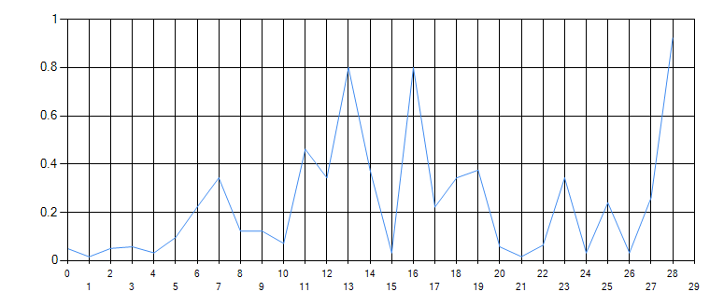 | 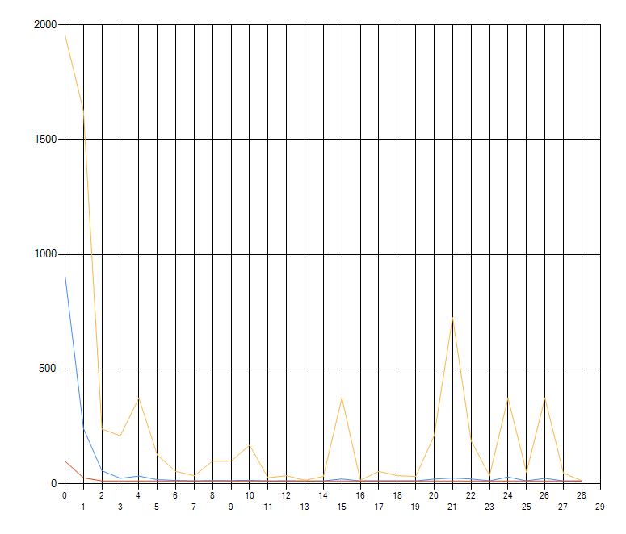
1 | 12 | 0.794 | 1 | 0.384 | 0.499 | 0.752
2 | 12 | 0.667 | 0.4 | 0.163 | 0.349 | 1
3 | 12 | 0.409 | 0.797 | 0.172 | 1 | 0.729
4 | 12 | 0.34 | 1 | 0.112 | 0.388 | 0.266
5 | 12 | 0.506 | 1 | 0.254 | 0.693 | 0.55
6 | 12 | 0.364 | 1 | 0.312 | 0.453 | 0.553
7 | 12 | 0.396 | 1 | 0.232 | 0.414 | 0.146
8 | 12 | 0.306 | 1 | 0.129 | 0.156 | 0.336
9 | 12 | 0.709 | 1 | 0.277 | 0.749 | 0.963
10 | 12 | 0.535 | 1 | 0.2 | 0.288 | 0.361
11 | 12 | 0.436 | 1 | 0.303 | 0.284 | 0.318
12 | 12 | 0.345 | 1 | 0.322 | 0.933 | 0.437
13 | 12 | 0.545 | 1 | 0.292 | 0.314 | 0.456
14 | 12 | 0.465 | 0.534 | 0.17 | 0.475 | 1
15 | 12 | 0.5 | 0.59 | 0.208 | 0.504 | 1
16 | 12 | 0.46 | 0.513 | 0.163 | 0.367 | 1
17 | 12 | 0.46 | 0.459 | 0.222 | 0.349 | 1 | 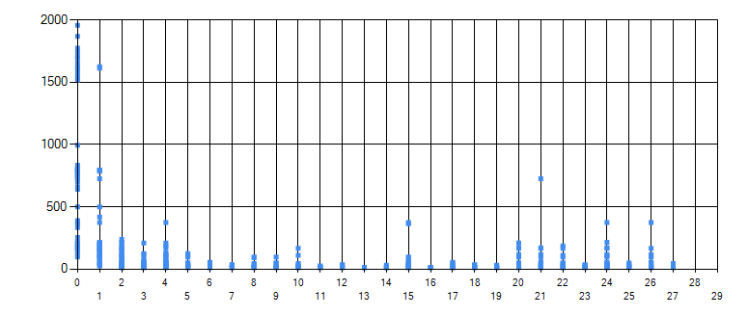
18 | 12 | 1 | 0.948 | 0.388 | 0.682 | 0.621
19 | 12 | 0.848 | 1 | 0.41 | 0.839 | 0.594
20 | 12 | 0.705 | 1 | 0.428 | 0.651 | 0.51
21 | 12 | 0.976 | 1 | 0.471 | 0.764 | 0.27
22 | 12 | 0.974 | 1 | 0.41 | 0.401 | 0.923
23 | 12 | 0.623 | 0.645 | 0.301 | 0.778 | 1
24 | 12 | 0.769 | 1 | 0.363 | 0.661 | 0.734
25 | 12 | 0.848 | 1 | 0.41 | 0.545 | 0.641
26 | 12 | 0.445 | 0.524 | 0.215 | 1 | 0.389
27 | 12 | 0.848 | 1 | 0.41 | 0.428 | 0.622
28 | 12 | 0.496 | 0.497 | 0.24 | 0.493 | 1
29 | 12 | 0.5 | 0.59 | 0.242 | 0.504 | 1
30 | 12 | 0.46 | 0.543 | 0.222 | 0.429 | 1
31 | 12 | 0.434 | 0.275 | 0.127 | 1 | 0.512
32 | 12 | 1 | 0.655 | 0.301 | 0.836 | 0.573
33 | 12 | 1 | 0.714 | 0.292 | 0.812 | 0.645
34 | 12 | 1 | 0.714 | 0.292 | 0.603 | 0.607 |  | 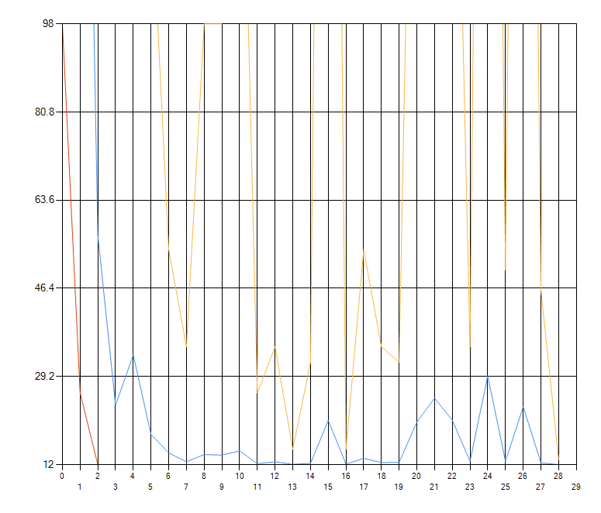
35 | 12 | 1 | 0.831 | 0.273 | 0.749 | 0.265 | 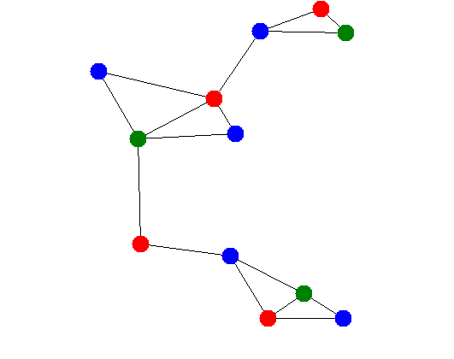
36 | 12 | 1 | 0.714 | 0.292 | 0.389 | 0.894
37 | 12 | 0.58 | 0.541 | 0.221 | 0.778 | 1
38 | 12 | 1 | 0.714 | 0.292 | 0.567 | 0.711
39 | 12 | 1 | 0.714 | 0.292 | 0.61 | 0.621
40 | 12 | 0.408 | 0.447 | 0.14 | 1 | 0.359
41 | 12 | 1 | 0.714 | 0.292 | 0.415 | 0.536
42 | 12 | 0.604 | 0.431 | 0.176 | 0.493 | 1
43 | 12 | 0.609 | 0.434 | 0.177 | 0.521 | 1
44 | 12 | 0.56 | 0.4 | 0.163 | 0.392 | 1
45 | 12 | 0.637 | 1 | 0.241 | 0.818 | 0.431
46 | 12 | 0.637 | 1 | 0.282 | 0.786 | 0.517
47 | 12 | 0.526 | 1 | 0.269 | 0.542 | 0.569
48 | 12 | 0.698 | 1 | 0.295 | 0.652 | 0.224
49 | 12 | 0.637 | 1 | 0.269 | 0.35 | 0.804
50 | 12 | 0.537 | 0.662 | 0.227 | 0.778 | 1
51 | 12 | 0.644 | 1 | 0.231 | 0.439 | 0.55
52 | 12 | 0.637 | 1 | 0.269 | 0.473 | 0.558
53 | 12 | 0.383 | 0.602 | 0.162 | 1 | 0.389
54 | 12 | 0.58 | 1 | 0.269 | 0.373 | 0.542
55 | 12 | 0.428 | 0.672 | 0.181 | 0.574 | 1
56 | 12 | 0.431 | 0.677 | 0.217 | 0.504 | 1
57 | 12 | 0.377 | 0.713 | 0.197 | 0.462 | 1 | 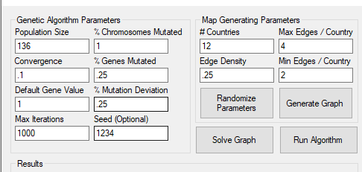
58 | 12 | 0.34 | 1 | 0.146 | 0.346 | 0.279
59 | 12 | 0.34 | 1 | 0.146 | 0.257 | 0.316
60 | 12 | 0.276 | 1 | 0.119 | 0.207 | 0.079
61 | 12 | 0.34 | 1 | 0.146 | 0.166 | 0.383
62 | 12 | 0.34 | 1 | 0.146 | 0.437 | 0.562
63 | 12 | 0.34 | 1 | 0.182 | 0.242 | 0.303
64 | 12 | 0.335 | 1 | 0.146 | 0.25 | 0.265
65 | 12 | 0.34 | 1 | 0.146 | 0.788 | 0.306
66 | 12 | 0.295 | 1 | 0.133 | 0.149 | 0.257
67 | 12 | 0.34 | 1 | 0.146 | 0.348 | 0.658
68 | 12 | 0.34 | 1 | 0.146 | 0.353 | 0.7
69 | 12 | 0.34 | 1 | 0.146 | 0.298 | 0.761
70 | 12 | 0.687 | 1 | 0.32 | 0.506 | 0.629
71 | 12 | 0.614 | 1 | 0.32 | 0.667 | 0.236
72 | 12 | 0.614 | 1 | 0.32 | 0.403 | 0.926
73 | 12 | 0.45 | 0.552 | 0.234 | 0.778 | 1
74 | 12 | 0.614 | 1 | 0.32 | 0.588 | 0.737
75 | 12 | 0.614 | 1 | 0.32 | 0.547 | 0.644
76 | 12 | 0.321 | 0.522 | 0.167 | 1 | 0.389
77 | 12 | 0.614 | 1 | 0.32 | 0.43 | 0.624
78 | 12 | 0.419 | 0.641 | 0.259 | 0.576 | 1
79 | 12 | 0.361 | 0.587 | 0.188 | 0.504 | 1
80 | 12 | 0.332 | 0.541 | 0.173 | 0.392 | 1
81 | 12 | 0.327 | 1 | 0.304 | 0.505 | 0.153
82 | 12 | 0.312 | 1 | 0.312 | 0.292 | 0.671
83 | 12 | 0.368 | 0.859 | 0.316 | 0.757 | 1
84 | 12 | 0.403 | 1 | 0.346 | 0.472 | 0.591
85 | 12 | 0.326 | 1 | 0.222 | 0.355 | 0.418
86 | 12 | 0.262 | 0.721 | 0.225 | 1 | 0.389
87 | 12 | 0.364 | 1 | 0.312 | 0.314 | 0.401
88 | 12 | 0.293 | 0.805 | 0.251 | 0.493 | 1
89 | 12 | 0.295 | 0.811 | 0.253 | 0.504 | 1
90 | 12 | 0.289 | 0.795 | 0.264 | 0.418 | 1
91 | 12 | 0.396 | 1 | 0.242 | 0.249 | 0.573
92 | 12 | 0.396 | 1 | 0.219 | 0.526 | 0.845
93 | 12 | 0.396 | 1 | 0.219 | 0.363 | 0.387
94 | 12 | 0.396 | 1 | 0.189 | 0.338 | 0.398
95 | 12 | 0.334 | 0.835 | 0.185 | 1 | 0.389
96 | 12 | 0.478 | 1 | 0.265 | 0.321 | 0.533
97 | 12 | 0.415 | 0.943 | 0.207 | 0.493 | 1
98 | 12 | 0.376 | 0.75 | 0.165 | 0.504 | 1
99 | 12 | 0.379 | 0.957 | 0.174 | 0.429 | 1
100 | 12 | 0.306 | 1 | 0.129 | 0.413 | 0.531
101 | 12 | 0.245 | 1 | 0.106 | 0.188 | 0.236
102 | 12 | 0.254 | 1 | 0.129 | 0.212 | 0.25
103 | 12 | 0.306 | 1 | 0.129 | 0.744 | 0.315
104 | 12 | 0.306 | 1 | 0.129 | 0.192 | 0.242
105 | 12 | 0.365 | 1 | 0.162 | 0.337 | 0.564
106 | 12 | 0.306 | 1 | 0.129 | 0.333 | 0.661
107 | 12 | 0.306 | 1 | 0.129 | 0.282 | 0.719
108 | 12 | 0.609 | 1 | 0.322 | 0.409 | 0.526
109 | 12 | 0.709 | 1 | 0.254 | 0.385 | 0.508
110 | 12 | 0.55 | 0.776 | 0.234 | 1 | 0.459
111 | 12 | 0.709 | 1 | 0.277 | 0.303 | 0.44
112 | 12 | 0.621 | 0.827 | 0.229 | 0.493 | 1
113 | 12 | 0.591 | 0.833 | 0.231 | 0.437 | 1
114 | 12 | 0.544 | 0.767 | 0.212 | 0.392 | 1
115 | 12 | 0.576 | 1 | 0.227 | 0.268 | 0.315
116 | 12 | 0.535 | 1 | 0.2 | 0.939 | 0.365
117 | 12 | 0.535 | 1 | 0.2 | 0.211 | 0.319
118 | 12 | 0.535 | 1 | 0.2 | 0.414 | 0.661
119 | 12 | 0.656 | 1 | 0.207 | 0.42 | 0.835
120 | 12 | 0.535 | 1 | 0.215 | 0.356 | 0.728
121 | 12 | 0.395 | 0.907 | 0.275 | 1 | 0.334
122 | 12 | 0.436 | 1 | 0.331 | 0.176 | 0.323
123 | 12 | 0.436 | 1 | 0.303 | 0.471 | 0.846
124 | 12 | 0.431 | 1 | 0.303 | 0.423 | 0.84
125 | 12 | 0.436 | 1 | 0.303 | 0.358 | 0.913
126 | 12 | 0.345 | 1 | 0.322 | 0.164 | 0.304
127 | 12 | 0.345 | 1 | 0.322 | 0.412 | 0.835
128 | 12 | 0.345 | 1 | 0.322 | 0.418 | 0.829
129 | 12 | 0.345 | 1 | 0.322 | 0.353 | 0.79
130 | 12 | 0.362 | 0.664 | 0.179 | 0.41 | 1
131 | 12 | 0.526 | 0.965 | 0.282 | 0.605 | 1
132 | 12 | 0.432 | 0.818 | 0.225 | 0.392 | 1
133 | 12 | 0.471 | 0.557 | 0.177 | 0.627 | 1
134 | 12 | 0.447 | 0.611 | 0.163 | 0.325 | 1
135 | 12 | 0.46 | 0.655 | 0.191 | 0.392 | 1
136 | 13 | 0.383 | 0.451 | 0.185 | 1 | 0.645

